Sheet1
CELL | CHANGE CELL CONTENTS TO
A1 | Spoke-Up Bicycle Shop
B4 | 11869.2
E4 | 9157.83
D6 | 5217.92
F6 | 6239.46
B7 | 3437.64

Sheet2
 | BURR HILL | FRANKFORT | HILLSIDE | SHEPLAY | SPRINGFIELD | TOTAL
BICYCLE | 2000 | 5000 | 5000 | 5555 | 7878 | 25433
ACCESSORIES | 3000 | 6000 | 4500 | 6666 | 8989 | 29155
REPAIR | 4000 | 7000 | 3456 | 7777 | 6700 | 28933
REFRESHMENTS | 5000 | 6700 | 4786 | 8888 | 5566 | 30940
TOTAL | 14000 | 24700 | 17742 | 28886 | 29133 | 114461

Sheet3
ERICS UESED BOOK
ANNUAL SALES

 | 1st Quarter | 2nd Quarter | 3rd Quarter | 4th Quarter | Total
used books | 230000000% | 230000 | 230000 | 456000 | 3216000
magazines | 45678 | 456000 | 456000 | 324560 | 1282238
calenders | 345678 | 324560 | 324560 | 678560 | 1673358
miscellaneous | 456738 | 678560 | 345678 | 3456790 | 4937766
refeshment | 22233 | 3456790 | 456738 | 456738 | 4392499
total | 3170327 | 5145910 | 1812976 | 5372648 | 15501861

Sheet4
KONAS EXPRESSO COFFEE
 | NEWYORK | CHIGAGO | DENVER | SEATTLE | SANFRANSICO
COFFEEBEANS | 456777 | 343556 | 33445 | 667756 | 44556
CONTAINERS | 667778 | 6789 | 44556 | 455677 | 66778
CONDIMENTS | 566788 | 77889 | 55667 | 78904 | 88990
PASTRIES | 2344 | 90876 | 66778 | 33445 | 23456

Sheet5
SALESPERSON | INVOICE
ARUN | 15000
VARUM | 9000
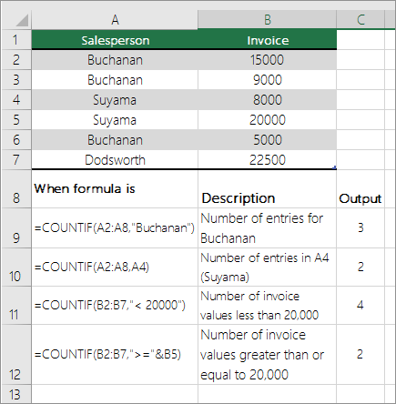
RAHUL | 8000
MANU | 20000
NISHA | 5000
RAJ | 15000
NILA | 8000
ARUN | 9000
ARJUN | 8000
ARUN | 8000

3
 | 9

 | 7

Sheet6
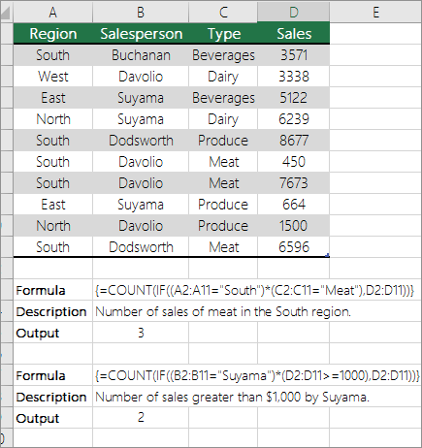
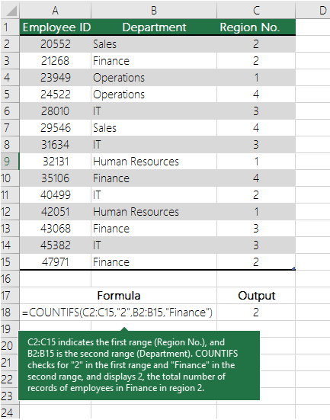
employee id | department | region no | region | salesperson | type | sales
2345 | sales | 2 | south | anu | meat | 35553333
2323 | finance | 2 | west | arun | dairy | 4444
3434 | operations | 1 | east | raj | beverage | 5555
4545 | it | 1 | north | rahul | dairy | 6666
5645 | hr | 4 | south | rahul | meat | 7777
6666 | operations | 1 | south | rahul | meat | 8888
7272 | it | 4 | south | anu | meat | 8989
5647 | finance | 5 | est | nisha | produce | 9090
6735 | hr | 6 | north | arun | produce | 3343
6678 | hr | 7 | south | anu | meat | 2323

1 |  |  | 0
2

Sheet7
